Sheet1

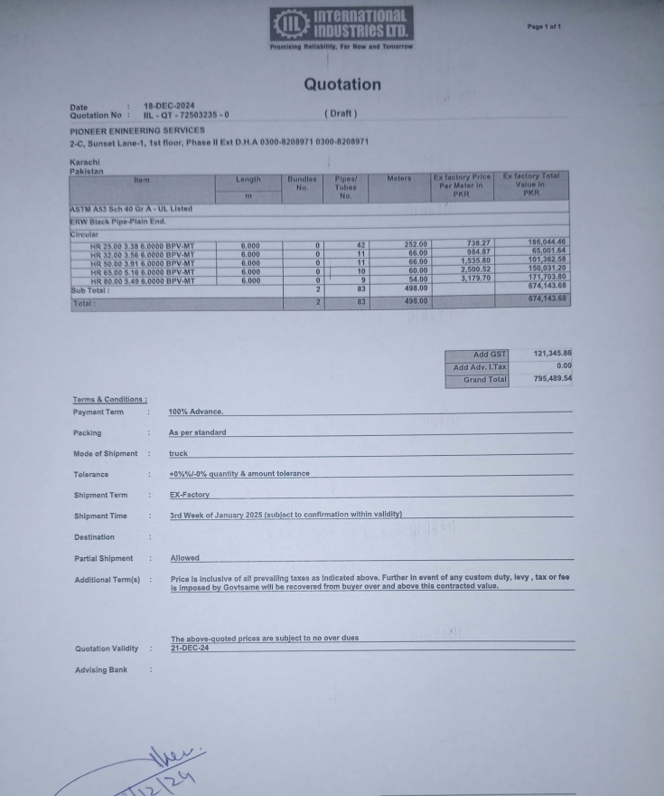

M/S International Industries Limited |  |  |  |  |  | 27-Aug-24

Att: Mr. Sohail Rafiq

PURCHASE ORDER

Supply of ERW Black Pipe Plain End for the project (J Outlet Zeta Mall Islamabad)
S No. | D e s c r i p t i o n | Qty | Unit | Mtr | Rate | Amount
1 | ERW Black pipe Plain End 25mm | 42 | LEN | 252 | 738.27 | 186,044.04
2 | ERW Black pipe Plain End 32mm | 11 | LEN | 66 | 984.87 | 65,001.42
3 | ERW Black pipe Plain End 50mm | 11 | LEN | 66 | 1,535.80 | 101,362.80
4 | ERW Black pipe Plain End 65mm | 10 | LEN | 60 | 2,500.52 | 150,031.20
5 | ERW Black pipe Plain End 80mm | 9 | LEN | 54 | 3,179.70 | 171,703.80
 |  | TOTAL: |  |  |  | 674,143
GST 18% |  |  |  |  |  | 121,346
Total amount |  |  |  |  |  | 795,490

for PIONEER ENGINEERING SERVICES

